KPI Dashboard
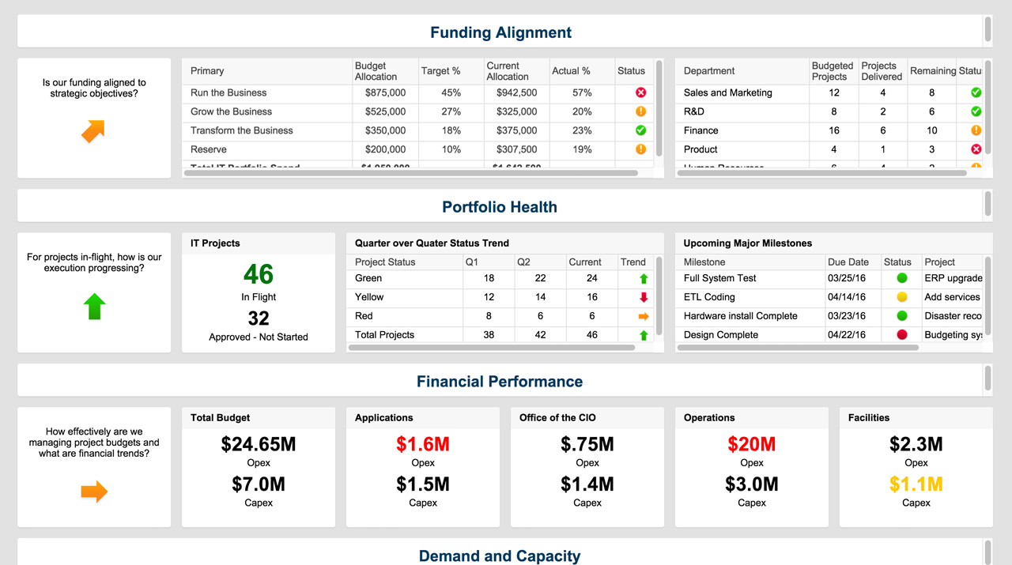
KPI DASHBOARD
–– BUDGET ––
 | GOAL | ACTUAL
ITEM 1 | $129,868 | $256,513
ITEM 2 | $237,605 | $85,618
ITEM 3 | $249,420 | $264,259
ITEM 4 | $226,538 | $293,368
ITEM 5 | $109,478 | $174,003
ITEM 6 | $129,160 | $249,567
ITEM 7 | $213,785 | $79,255
ITEM 8 | $128,283 | $122,300
ITEM 9 | $175,438 | $119,943
ITEM 10 | $253,755 | $255,187
–– REVENUE ––
 | GOAL | ACTUAL
ITEM 1 | $1,100,916 | $1,073,357
ITEM 2 | $215,534 | $878,162
ITEM 3 | $820,719 | $1,193,784
ITEM 4 | $620,242 | $420,345
ITEM 5 | $821,177 | $1,175,811
ITEM 6 | $901,263 | $1,015,766
ITEM 7 | $878,528 | $733,751
ITEM 8 | $838,380 | $955,983
ITEM 9 | $1,073,157 | $924,095
ITEM 10 | $1,141,047 | $1,061,074

–– BUDGET TOTAL ––
 | GOAL | ACTUAL
ITEM 1 | $1,853,330 | $1,900,013
ITEM 2
ITEM 3
ITEM 4
ITEM 5
ITEM 6
ITEM 7
ITEM 8
ITEM 9
ITEM 10
–– REVENUE TOTAL ––
 | GOAL | ACTUAL
$1,073,357 | $8,410,963 | $9,432,128
$878,162
$1,193,784
$420,345
$1,175,811
$1,015,766
$733,751
$955,983
$924,095
$1,061,074

–– PROFIT MARGINS ––
 | GROSS | NET
ITEM 1 | 76% | 74%
ITEM 2 | 90% | 89%
ITEM 3 | 78% | 77%
ITEM 4 | 30% | 25%
ITEM 5 | 85% | 83%
ITEM 6 | 75% | 74%
ITEM 7 | 89% | 87%
ITEM 8 | 87% | 85%
ITEM 9 | 87% | 85%
ITEM 10 | 76% | 75%

–– DEBT TO EQUITY RATIO ––
 | DEBT | EQUITY
2007 | $3,613,439 | $3,293,202
2008 | $3,508,776 | $3,441,854
2009 | $3,719,457 | $3,531,844
2010 | $3,310,212 | $3,354,051
2011 | $3,945,202 | $3,476,155
2012 | $3,938,152 | $3,538,468
2013 | $3,733,706 | $3,727,037
2014 | $3,526,698 | $3,425,405
2015 | $3,632,971 | $3,734,041
2016 | $3,206,487 | $3,677,074

Learn More About Dashboards in Smartsheet

